Tabelle1
Coupling value calculated with Spectra with these values
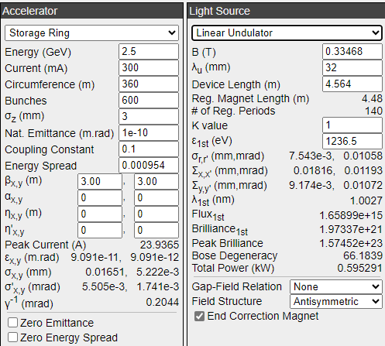
BESSY III
Emittance para. | Coupling [%]
 | 2 | 10 | 50 | 75 | 100
Sig x [µm] | 17.15 | 16.51 | 14.14 | 13.09 | 12.25
Sig'x [µrad] | 5.72 | 5.51 | 4.71 | 4.36 | 4.08
Sig y [µm] | 2.43 | 5.22 | 10.00 | 11.34 | 12.25
Sig'y [µrad] | 0.81 | 1.74 | 3.33 | 3.78 | 4.08

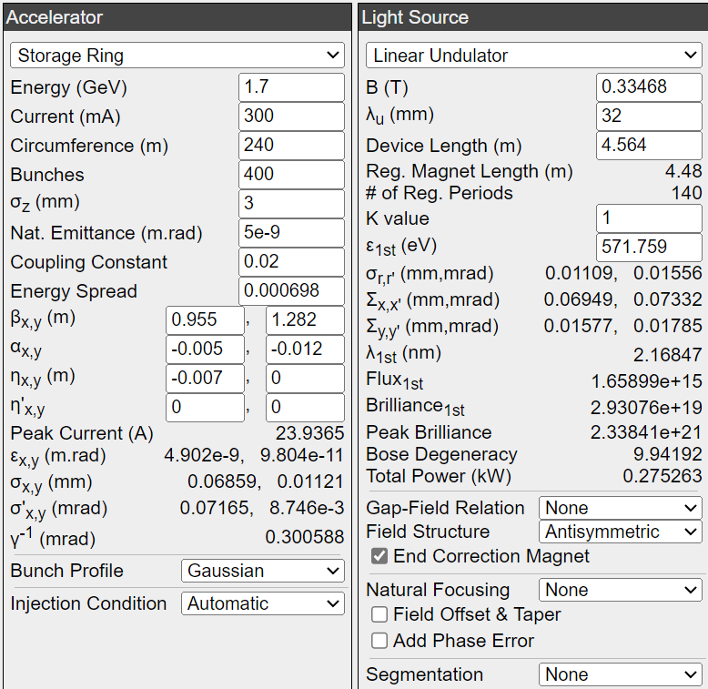
BESSY II | low beta
Emittance para. | Coupling [%]
 | 2 | 10 | 50 | 75 | 100
Sig x [µm] | 68.59 | 66.07 | 56.63 | 52.46 | 49.11
Sig'x [µrad] | 71.65 | 68.99 | 59.08 | 57.70 | 51.17
Sig y [µm] | 11.21 | 24.14 | 46.22 | 52.41 | 56.61
Sig'y [µrad] | 8.75 | 18.83 | 36.06 | 40.89 | 44.16

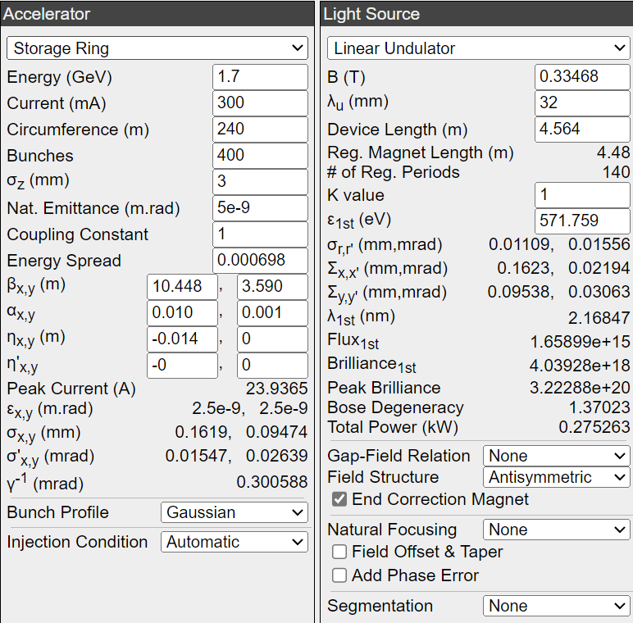
BESSY II | high beta
Emittance para. | Coupling [%]
 | 2 | 10 | 50 | 75 | 100
Sig x [µm] | 226.50 | 218.10 | 186.90 | 173.10 | 161.90
Sig'x [µrad] | 21.66 | 20.86 | 17.86 | 16.54 | 15.47
Sig y [µm] | 18.76 | 40.40 | 77.35 | 87.71 | 94.74
Sig'y [µrad] | 5.23 | 11.25 | 21.55 | 24.43 | 26.39

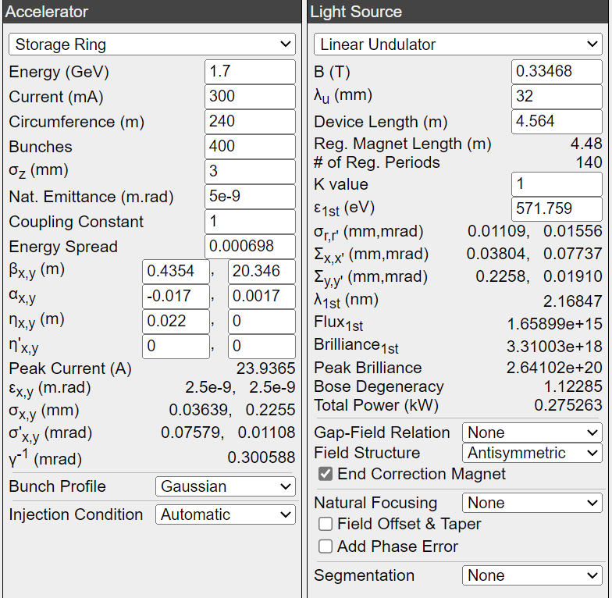
BESSY II | Dipoles
Emittance para. | Coupling [%]
 | 2 | 10 | 50 | 75 | 100
Sig x [µm] | 48.68 | 47.06 | 41.07 | 38.47 | 36.39
Sig'x [µrad] | 106.10 | 102.20 | 87.51 | 81.02 | 75.79
Sig y [µm] | 44.66 | 96.17 | 184.10 | 208.80 | 22.55
Sig'y [µrad] | 2.20 | 4.73 | 9.01 | 10.26 | 11.08

